Q-5
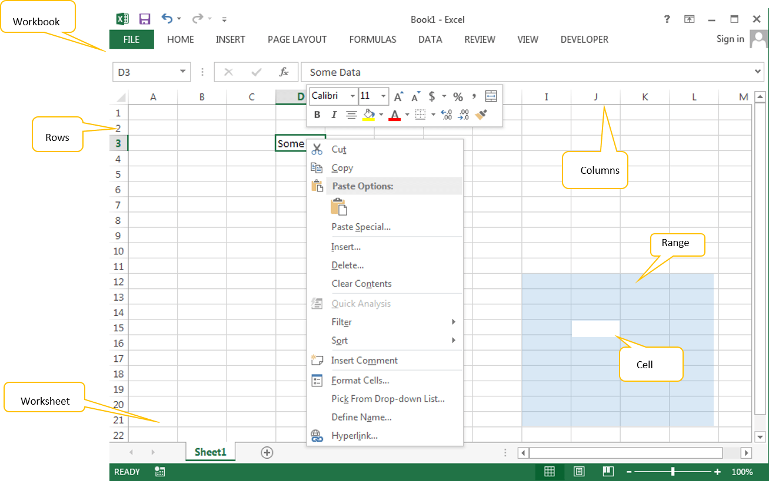
Q-5 What are the things that we can notice after opening the Excel interface?
When we start a new Excel File, we can see the following Excel environment:
→Menu Bar or Ribbon: Where all the important functions are listed .
→Address Bar: We can see the active Cell, Range or Object Name here. You can type any name of the object to activate it.
→Formula Bar: Where we can write a formula they will show up .
→Status Bar: Where you can see the status of the Application task.
→Zoom: We can increase or decrease the zoom levels of the worksheets.
→Quick Access Tool Bar: We can assign any utility to quickly access it.
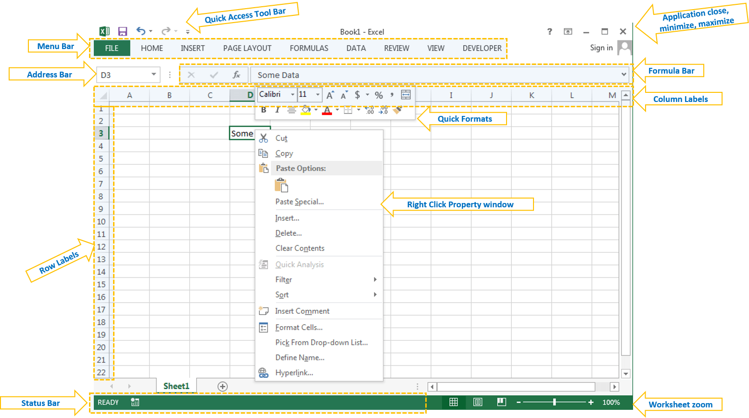

→Workbook: It is the main file, which we can give name and store it in desired folder. All other objects are part of this workkbook
→Worksheet: It is a the space where we can enter our data and format. A workbook is a collection of worksheets.
→Cell: Cell is the part of the worksheet, where we enter the data, formulas.
→Range: It is a collection of Cells in excel worksheet.
→Rows: These are records (1,2,3,4…) in excel worksheet.
→Columns: These are Fields (A,B,C,D,…) in excel worksheet.

Q-6
Q-6 When to use a relative cell reference in excel?
Let us understand the concept of relative cell references in Excel with an example.
We want a summation of two numbers located in cells A1 & A2. Say we want the sum in cell A3.
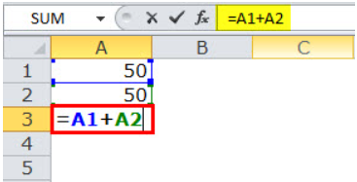

So, in cell A3, we applied “=A1+A2.”
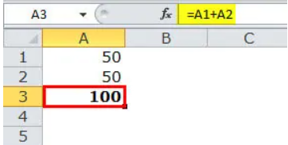

The sum of cell A1 and A2 is equal to 100.

Now, with different values of cells B1 and B2, we want a summation in cell B3.
The summation can be done in two ways.
We can either apply the Excel formula of addition to cell B3 or copy and paste the formula of cell A3 to cell B3.
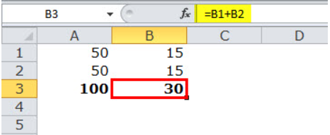

On copying cell A3 and pasting in cell B3, the answer is not 100. This is because cell A3, which is copied, contains a formula, not a value.
The output of cell A3 depends on cells A1 and A2. After copying cell A3, as we move one cell to the right, A1 becomes B1 and A2 becomes B2.
Thus, cell B3 applies summation to the values of cells B1 and B2.

